Run #1
Status : | Approved
Category : | Dairy |  |  |  |  |  |  |  | Results summary |  |  |  |  |  |  |  |  |  |  |  |  |  | Broth screening qPCR results |  |  |  |  |  |  |  |  |  | Pool screening results |  |  |  |  |  |  |  |  |  |  |  |  | Colony screening result - VT |  |  |  |  |  |  |  |  |  |  |  |  |  |  |  |  |  |  |  |  |  | CF qPCR result |  |  |  |  | VITEK
Type : | Heat processed
Food items : | Québon homogenized milk, 2% M.F.; St-Guillaume Le P'tit Frais cheese curds
Incub. Time : |  |  |  |  |  |  |  |  |  |  |  |  |  |  |  |  |  |  |  |  |  |  |  |  |  |  |  |  |  |  |  |  |  |  |  |  |  |  |  |  |  |  |  |  |  | Run #1 |  |  |  |  |  |  |  |  |  |  |  | Run #2
 |  |  |  |  |  |  |  |  |  |  |  | vt qPCR |  |  |  |  |  |  | Confirmation of neg. Samples |  | Sample Status |  | SGIL | Instagene (1) |  | PureGene (2) |  |  |  |  |  |  | SGIL | Pool #1 |  | Pool #2 |  | Pool #3 |  | Pool #4 |  | Pool #5 |  | Pool #6 |  | SGIL | Pool | Colony 1 |  | Colony 2 |  | Colony 3 |  | Colony 4 |  | Colony 5 |  | Colony 6 |  | Colony 7 |  | Colony 8 |  | Colony 9 |  | Colony 10 |  | SGIL | Pool | Colony | CF qPCR |  | SGIL | Pool | Colony | Identification
Sample Details |  |  |  |  |  |  |  |  | SGIL | Matrix | Level | Broth - Insta | Broth - Pgene | Pools | Colonies | CF qPCR | VITEK | Method result | Rainb. plate sweep | MAC-T investig. | Broth screening | Isolation |  | FAM | HEX | FAM | HEX |  |  |  |  |  |  | FAM | HEX | FAM | HEX | FAM | HEX | FAM | HEX | FAM | HEX | FAM | HEX |  |  | FAM | HEX | FAM | HEX | FAM | HEX | FAM | HEX | FAM | HEX | FAM | HEX | FAM | HEX | FAM | HEX | FAM | HEX | FAM | HEX |  |  |  | FAM | HEX
Date of spiking |  |  |  | 2024-11-15 |  |  |  |  | 2024-03729 | 2% milk | Negative | - | - | n/a | n/a | n/a | n/a | Neg | No colonies | No colonies | TN | TN | 2024-03729 | No Ct | 31.3 | No Ct | 30.7 |  | Mean Ct - Unspiked |  |  |  | 2024-03729 |  |  |  |  |  |  |  |  |  |  |  |  | 2024-03729 | - |  |  |  |  |  |  |  |  |  |  |  |  |  |  |  |  |  |  |  |  | 2024-03729 |  |  |  |  | 2024-03729 | n/a | n/a | n/a
Analysis start date |  |  |  | 2024-11-18 |  |  |  |  | 2024-03730 | 2% milk | Negative | - | - | n/a | n/a | n/a | n/a | Neg | No colonies | No colonies | TN | TN | 2024-03730 | No Ct | 30.9 | No Ct | 30.6 |  | Instagene |  | PureGene |  | 2024-03730 |  |  |  |  |  |  |  |  |  |  |  |  | 2024-03730 | - |  |  |  |  |  |  |  |  |  |  |  |  |  |  |  |  |  |  |  |  | 2024-03730 |  |  |  |  | 2024-03730 | n/a | n/a | n/a
Sample Size |  |  |  | 25 g |  |  |  |  | 2024-03731 | 2% milk | Negative | - | - | n/a | n/a | n/a | n/a | Neg | No colonies | No colonies | TN | TN | 2024-03731 | No Ct | 31.2 | No Ct | 30.5 |  | FAM | HEX | FAM | HEX | 2024-03731 |  |  |  |  |  |  |  |  |  |  |  |  | 2024-03731 | - |  |  |  |  |  |  |  |  |  |  |  |  |  |  |  |  |  |  |  |  | 2024-03731 |  |  |  |  | 2024-03731 | n/a | n/a | n/a
Homogenized milk, 2% |  |  |  | 4.1E+01 CFU/g |  |  |  |  | 2024-03732 | Cheese curds | Negative | - | - | - | - | n/a | n/a | Neg | - | - | TN | TN | 2024-03732 | No Ct | 30.4 | No Ct | 30.4 | 2% milk | n/a | 31.1 | n/a | 30.6 | 2024-03732 | No Ct | 30.2 | No Ct | 30.3 | No Ct | 29.9 | No Ct | 30.2 | No Ct | 30.1 | No Ct | 30.1 | 2024-03732 | - |  |  |  |  |  |  |  |  |  |  |  |  |  |  |  |  |  |  |  |  | 2024-03732 |  |  |  |  | 2024-03732 | n/a | n/a | n/a
Cheese curds |  |  |  | 4.7E+08 CFU/g |  |  |  |  | 2024-03733 | Cheese curds | Negative | - | - | - | - | n/a | n/a | Neg | - | - | TN | TN | 2024-03733 | No Ct | 30.5 | No Ct | 30.5 | C. curds | n/a | 30.4 | n/a | 30.4 | 2024-03733 | No Ct | 29.9 | No Ct | 30.2 | No Ct | 29.9 | No Ct | 29.9 | No Ct | 29.9 | No Ct | 30.1 | 2024-03733 | - |  |  |  |  |  |  |  |  |  |  |  |  |  |  |  |  |  |  |  |  | 2024-03733 |  |  |  |  | 2024-03733 | n/a | n/a | n/a
Method used to determine sample background microflora |  |  |  | MFHPB-18 : PCA, 35°C, 48h |  |  |  |  | 2024-03734 | 2% milk | 0.8 CFU/25 g | + | + | + | + | + | n/a | Positive | n/a | n/a | TP | TP | 2024-03734 | 18.7 | 32.2 | 17.4 | 34.2 |  |  |  |  |  | 2024-03734 | 16.9 | 31.3 | 21.8 | 29.7 |  |  |  |  |  |  |  |  | 2024-03734 | 1 | 17.7 | 28.8 | 17.2 | 29.0 | 18.5 | 28.9 | 17.9 | 28.7 | 17.4 | 29.6 |  |  |  |  |  |  |  |  |  |  | 2024-03734 | 1 | 1 | 17.2 | 31.7 | 2024-03734 | n/a | n/a | n/a
 |  |  |  |  |  |  |  |  | 2024-03735 | 2% milk | 0.8 CFU/25 g | - | - | n/a | n/a | n/a | n/a | Neg | No colonies | No colonies | TN | TN | 2024-03735 | No Ct | 31.2 | No Ct | 30.7 |  |  |  |  |  | 2024-03735 |  |  |  |  |  |  |  |  |  |  |  |  | 2024-03735 | - |  |  |  |  |  |  |  |  |  |  |  |  |  |  |  |  |  |  |  |  | 2024-03735 |  |  |  |  | 2024-03735 | n/a | n/a | n/a
Inoculum Details |  |  |  |  |  |  |  |  | 2024-03736 | 2% milk | 0.8 CFU/25 g | - | - | n/a | n/a | n/a | n/a | Neg | No colonies | No colonies | TN | TN | 2024-03736 | No Ct | 31.2 | No Ct | 30.5 |  |  |  |  |  | 2024-03736 |  |  |  |  |  |  |  |  |  |  |  |  | 2024-03736 | - |  |  |  |  |  |  |  |  |  |  |  |  |  |  |  |  |  |  |  |  | 2024-03736 |  |  |  |  | 2024-03736 | n/a | n/a | n/a
Strain ID |  |  |  | BMH-13-0001, O157:H7, vtx1, stx2, eae |  |  |  |  | 2024-03737 | 2% milk | 0.8 CFU/25 g | + | + | + | + | + | n/a | Positive | n/a | n/a | TP | TP | 2024-03737 | 19.1 | 32.6 | 20.5 | 31.7 |  |  |  |  |  | 2024-03737 | 16.7 | 31.4 | 23.1 | 29.8 |  |  |  |  |  |  |  |  | 2024-03737 | 1 | 17.1 | 28.8 | 17.5 | 28.4 | 18.4 | 28.2 | 17.1 | 27.9 | 16.6 | 28.5 |  |  |  |  |  |  |  |  |  |  | 2024-03737 | 1 | 1 | 16.1 | 33.1 | 2024-03737 | n/a | n/a | n/a
Strain source (time of isolation, source commodity, geographic region of origin) |  |  |  | Raw milk cheesse |  |  |  |  | 2024-03738 | 2% milk | 0.8 CFU/25 g | + | + | + | + | + | n/a | Positive | n/a | n/a | TP | TP | 2024-03738 | 18.9 | 32.4 | 16.9 | 34.5 |  |  |  |  |  | 2024-03738 | 16.5 | 31.7 | 20.8 | 30.0 |  |  |  |  |  |  |  |  | 2024-03738 | 1 | 18.0 | 28.3 | 17.4 | 27.0 | 17.2 | 28.6 | 16.5 | 29.7 | 17.1 | 27.7 |  |  |  |  |  |  |  |  |  |  | 2024-03738 | 1 | 1 | 17.5 | 31.8 | 2024-03738 | n/a | n/a | n/a
Concentration of inoculum, volume used to spike: |  |  |  | Target = 1 CFU/100 µl; Actual = 0.8 CFU/100 µL |  |  |  |  | 2024-03739 | 2% milk | 0.8 CFU/25 g | - | - | n/a | n/a | n/a | n/a | Neg | No colonies | No colonies | TN | TN | 2024-03739 | No Ct | 31.3 | No Ct | 30.5 |  |  |  |  |  | 2024-03739 |  |  |  |  |  |  |  |  |  |  |  |  | 2024-03739 | - |  |  |  |  |  |  |  |  |  |  |  |  |  |  |  |  |  |  |  |  | 2024-03739 |  |  |  |  | 2024-03739 | n/a | n/a | n/a
Method used to determine spiking concentration: |  |  |  | Plating onto TSA, 20 replicates, 35 °C, 18-24 h |  |  |  |  | 2024-03740 | 2% milk | 0.8 CFU/25 g | - | - | n/a | n/a | n/a | n/a | Neg | No colonies | No colonies | TN | TN | 2024-03740 | No Ct | 31.2 | No Ct | 30.5 |  |  |  |  |  | 2024-03740 |  |  |  |  |  |  |  |  |  |  |  |  | 2024-03740 | - |  |  |  |  |  |  |  |  |  |  |  |  |  |  |  |  |  |  |  |  | 2024-03740 |  |  |  |  | 2024-03740 | n/a | n/a | n/a
Equilibration conditions: |  |  |  | 2-8 °C, 3 days |  |  |  |  | 2024-03741 | 2% milk | 0.8 CFU/25 g | + | + | + | + | + | n/a | Positive | n/a | n/a | TP | TP | 2024-03741 | 18.7 | 32.4 | 17.0 | 34.6 |  |  |  |  |  | 2024-03741 | 16.6 | 31.1 | 21.3 | 30.1 |  |  |  |  |  |  |  |  | 2024-03741 | 1 | 18.2 | 27.2 | 16.6 | 28.2 | 16.4 | 28.0 | 16.2 | 29.1 | 16.9 | 27.8 |  |  |  |  |  |  |  |  |  |  | 2024-03741 | 1 | 1 | 18.1 | 30.5 | 2024-03741 | n/a | n/a | n/a
 |  |  |  |  |  |  |  |  | 2024-03742 | 2% milk | 0.8 CFU/25 g | - | - | n/a | n/a | n/a | n/a | Neg | No colonies | No colonies | TN | TN | 2024-03742 | No Ct | 31.1 | No Ct | 30.6 |  |  |  |  |  | 2024-03742 |  |  |  |  |  |  |  |  |  |  |  |  | 2024-03742 | - |  |  |  |  |  |  |  |  |  |  |  |  |  |  |  |  |  |  |  |  | 2024-03742 |  |  |  |  | 2024-03742 | n/a | n/a | n/a
Was the inoculum stressed? |  |  |  |  |  | No |  |  | 2024-03743 | 2% milk | 0.8 CFU/25 g | - | - | n/a | n/a | n/a | n/a | Neg | No colonies | No colonies | TN | TN | 2024-03743 | No Ct | 31.2 | No Ct | 30.6 |  |  |  |  |  | 2024-03743 |  |  |  |  |  |  |  |  |  |  |  |  | 2024-03743 | - |  |  |  |  |  |  |  |  |  |  |  |  |  |  |  |  |  |  |  |  | 2024-03743 |  |  |  |  | 2024-03743 | n/a | n/a | n/a
Stressing Conditions: |  |  |  | n/a |  |  |  |  | 2024-03744 | Cheese curds | 0.8 CFU/25 g | - | - | - | - | n/a | n/a | Neg | - | - | TN | TN | 2024-03744 | No Ct | 30.3 | No Ct | 30.5 |  |  |  |  |  | 2024-03744 | No Ct | 29.9 | No Ct | 30.1 | No Ct | 29.9 | No Ct | 29.9 | No Ct | 29.8 | No Ct | 30.0 | 2024-03744 | - |  |  |  |  |  |  |  |  |  |  |  |  |  |  |  |  |  |  |  |  | 2024-03744 |  |  |  |  | 2024-03744 | n/a | n/a | n/a
Stress level: |  |  |  | n/a |  |  |  |  | 2024-03745 | Cheese curds | 0.8 CFU/25 g | - | - | - | - | n/a | n/a | Neg | - | - | TN | TN | 2024-03745 | No Ct | 30.4 | No Ct | 30.5 |  |  |  |  |  | 2024-03745 | No Ct | 29.8 | No Ct | 29.8 | No Ct | 29.7 | No Ct | 29.8 | No Ct | 29.9 | No Ct | 29.7 | 2024-03745 | - |  |  |  |  |  |  |  |  |  |  |  |  |  |  |  |  |  |  |  |  | 2024-03745 |  |  |  |  | 2024-03745 | n/a | n/a | n/a
How was the stress level determined? (Please include counts and agar choices) |  |  |  | n/a |  |  |  |  | 2024-03746 | Cheese curds | 0.8 CFU/25 g | + | + | + | + | + | n/a | Positive | n/a | n/a | TP | TP | 2024-03746 | 24.5 | 30.5 | 26.1 | 30.5 |  |  |  |  |  | 2024-03746 | 21.5 | 29.1 | 21.1 | 29.7 |  |  |  |  |  |  |  |  | 2024-03746 | 1 | No Ct | 28.0 | 18.9 | 27.3 | No Ct | 27.7 | No Ct | 28.2 | No Ct | 28.0 |  |  |  |  |  |  |  |  |  |  | 2024-03746 | 1 | 2 | 19.3 | 30.8 | 2024-03746 | n/a | n/a | n/a
 |  |  |  |  |  |  |  |  | 2024-03747 | Cheese curds | 0.8 CFU/25 g | - | - | - | - | n/a | n/a | Neg | - | - | TN | TN | 2024-03747 | No Ct | 28.5 | No Ct | 30.6 |  |  |  |  |  | 2024-03747 | No Ct | 29.6 | No Ct | 29.8 | No Ct | 29.8 | No Ct | 30.0 | No Ct | 29.9 | No Ct | 30.1 | 2024-03747 | 1 | No Ct | 29.8 | No Ct | 29.7 | No Ct | 29.7 | No Ct | 29.5 | No Ct | 29.7 | No Ct | 29.7 | No Ct | 29.7 | No Ct | 29.9 | No Ct | 29.7 | No Ct | 29.7 | 2024-03747 |  |  |  |  | 2024-03747 | n/a | n/a | n/a
Was a Co-Inoculum Used? |  |  |  |  |  | No |  |  | 2024-03748 | Cheese curds | 0.8 CFU/25 g | + | + | + | + | + | n/a | Positive | n/a | n/a | TP | TP | 2024-03748 | 21.8 | 31.1 | 22.3 | 30.8 |  |  |  |  |  | 2024-03748 | 20.6 | 28.9 | 26.4 | 28.7 |  |  |  |  |  |  |  |  | 2024-03748 | 1 | 17.1 | 28.4 | 18.0 | 27.5 | 17.2 | 27.8 | No Ct | 28.1 | No Ct | 28.0 |  |  |  |  |  |  |  |  |  |  | 2024-03748 | 1 | 1 | 16.4 | 32.3 | 2024-03748 | n/a | n/a | n/a
Strain ID of co-inoculum: |  |  |  | n/a |  |  |  |  | 2024-03749 | Cheese curds | 0.8 CFU/25 g | - | - | - | - | n/a | n/a | Neg | + | + | FN | FN | 2024-03749 | No Ct | 30.5 | No Ct | 30.6 |  | Mean Ct - High level |  |  |  | 2024-03749 | No Ct | 28.9 | No Ct | 28.9 | No Ct | 29.0 | No Ct | 28.9 | No Ct | 28.8 | No Ct | 29.1 | 2024-03749 | - |  |  |  |  |  |  |  |  |  |  |  |  |  |  |  |  |  |  |  |  | 2024-03749 |  |  |  |  | 2024-03749 | n/a | n/a | n/a
Strain source |  |  |  | n/a |  |  |  |  | 2024-03750 | Cheese curds | 0.8 CFU/25 g | - | - | - | - | n/a | n/a | Neg | - | - | TN | TN | 2024-03750 | No Ct | 30.2 | No Ct | 30.7 |  | Instagene |  | PureGene |  | 2024-03750 | No Ct | 28.9 | No Ct | 29.0 | No Ct | 28.9 | No Ct | 28.8 | No Ct | 28.9 | No Ct | 29.1 | 2024-03750 | - |  |  |  |  |  |  |  |  |  |  |  |  |  |  |  |  |  |  |  |  | 2024-03750 |  |  |  |  | 2024-03750 | n/a | n/a | n/a
Where all spiked samples co-inoculated? |  |  |  | n/a |  |  |  |  | 2024-03751 | Cheese curds | 0.8 CFU/25 g | - | - | - | - | n/a | n/a | Neg | - | - | TN | TN | 2024-03751 | No Ct | 30.3 | No Ct | 30.7 |  | FAM | HEX | FAM | HEX | 2024-03751 | No Ct | 29.0 | No Ct | 28.9 | No Ct | 29.0 | No Ct | 29.1 | No Ct | 28.8 | No Ct | 28.9 | 2024-03751 | - |  |  |  |  |  |  |  |  |  |  |  |  |  |  |  |  |  |  |  |  | 2024-03751 |  |  |  |  | 2024-03751 | n/a | n/a | n/a
Concentration of inoculum, volume used to spike: |  |  |  | n/a |  |  |  |  | 2024-03752 | Cheese curds | 0.8 CFU/25 g | + | + | + | + | + | n/a | Positive | n/a | n/a | TP | TP | 2024-03752 | 24.5 | 30.2 | 28.3 | 30.4 | 2% milk | 18.9 | 31.7 | 18.0 | 31.8 | 2024-03752 | 20.6 | 28.6 | 20.3 | 28.6 |  |  |  |  |  |  |  |  | 2024-03752 | 1 | No Ct | 27.9 | No Ct | 28.0 | No Ct | 28.0 | 18.0 | 27.7 | 17.3 | 27.3 |  |  |  |  |  |  |  |  |  |  | 2024-03752 | 1 | 4 | 17.3 | 31.4 | 2024-03752 | n/a | n/a | n/a
Stressing conditions (if applicable): |  |  |  | n/a |  |  |  |  | 2024-03753 | Cheese curds | 0.8 CFU/25 g | - | - | - | - | n/a | n/a | Neg | - | - | TN | TN | 2024-03753 | No Ct | 30.5 | No Ct | 30.8 | C. curds | 23.6 | 30.3 | 25.6 | 30.6 | 2024-03753 | No Ct | 29.0 | No Ct | 28.9 | No Ct | 29.0 | No Ct | 28.9 | No Ct | 29.1 | No Ct | 28.9 | 2024-03753 | - |  |  |  |  |  |  |  |  |  |  |  |  |  |  |  |  |  |  |  |  | 2024-03753 |  |  |  |  | 2024-03753 | n/a | n/a | n/a
Stress level (if applicable): |  |  |  | n/a |  |  |  |  |  |  |  |  |  |  |  |  |  |  |  |  |  |  | CP | 26.2 | 30.0 | 23.0 | 30.4 |  |  |  |  |  | CP | 16.3 | 28.9 | 16.4 | 28.9 |  |  |  |  |  |  |  |  | CP | - | 17.3 | 27.2 |  |  |  |  |  |  |  |  |  |  |  |  |  |  |  |  |  |  | CP | - | - | 16.1 | 32.3
How was the stress level determined? (Please include counts and agar choices) (if applicable) |  |  |  | n/a |  |  |  |  |  |  |  |  |  |  |  |  |  |  |  |  |  |  | CN | No Ct | 30.3 | No Ct | 30.5 |  |  |  |  |  | CN | No Ct | 29.0 | No Ct | 29.0 |  |  |  |  |  |  |  |  | CN | - | No Ct | 28.1 |  |  |  |  |  |  |  |  |  |  |  |  |  |  |  |  |  |  | CN | - | - | No Ct | 30.0
 |  |  |  |  |  |  |  |  |  |  |  |  |  |  |  |  |  |  |  |  |  |  | CS | No Ct | 30.2 | No Ct | 30.6 |  |  |  |  |  | NTC | No Ct | 28.8 | No Ct | 29.3 |  |  |  |  |  |  |  |  | NTC | - | No Ct | 28.2 |  |  |  |  |  |  |  |  |  |  |  |  |  |  |  |  |  |  | NTC | - | - | No Ct | 30.0
PREPARATION OF INOCULUM |  |  |  |  |  |  |  |  |  |  |  |  |  |  |  |  |  |  |  |  |  |  | Blank | No Ct | 30.5 | No Ct | 30.5 |  |  |  |  |  | Raw data file : 20241125_153456_CT036336_VT et CF.pcrd |  |  |  |  |  |  |  |  |  |  |  |  | Raw data file : 20241122_115933_CT036336_VT et CF.pcrd |  |  |  |  |  |  |  |  |  |  |  |  |  |  |  |  |  |  |  |  |  | Raw data file : 20241126_161136_CT036336_VT et CF.pcrd
VTEC E. coli BMH-13-0001 |  |  |  |  |  |  |  |  |  |  |  |  |  |  |  |  |  |  |  |  |  |  | Raw data file : 20241119_123540_CT036336_VT_et_CF.pcrd |  |  |  |  |  |  |  |  |  |  |  |  |  |  |  |  |  |  |  |  |  |  | NOTE : see investigation for sample 03747, individual colonies from pool #1
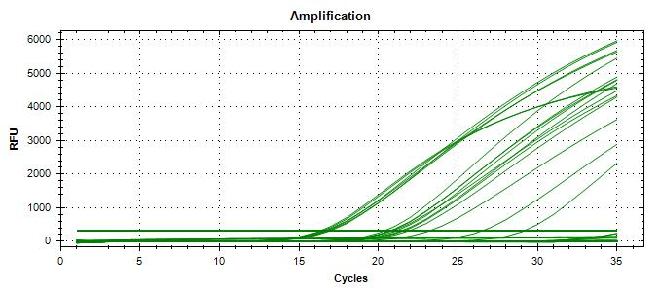
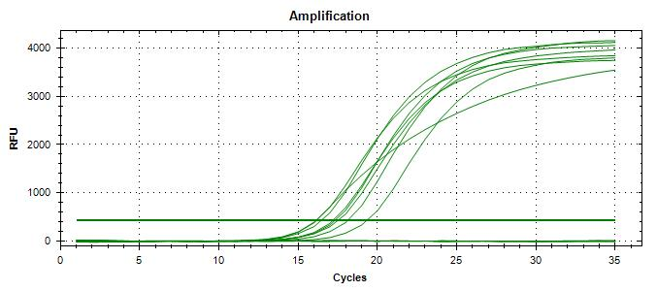
Plating (TSA) : | 2024-11-14 |  |  |  |  |  |  |  | Screening | TP | TN | FP | FN |  | Sensitivity | 88% |  |  |  |  |  |  | Raw data file : 20241125_153456_CT036336_VT et CF.pcrd (03747/Instagene, see investigation)
Reading : | 2024-11-15 |  |  |  |  |  |  |  | Unspiked | 0 | 5 | 0 | 0 |  | Specificity | 100%
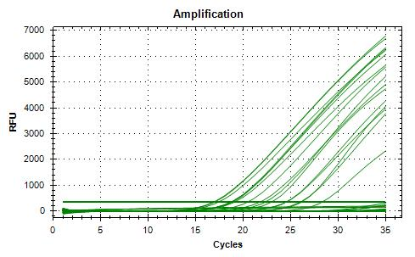
Volume / plate : | 100 µL |  |  |  |  |  |  |  | Spiked | 7 | 12 | 0 | 1 |  | FN rate | 13%
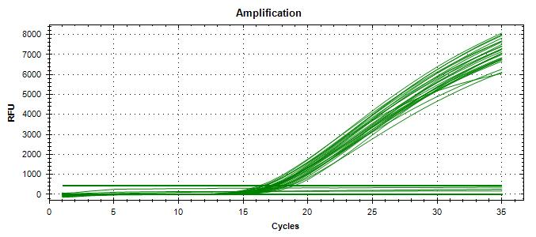
 |  |  |  |  |  |  |  |  |  | 7 | 17 | 0 | 1 |  | FP rate | 0%
Dilution | Rep 1 | Rep 2 | CFU/mL |  |  |  |  |  |  |  |  |  |  |  | Agreement | 96%
1.0E-04 | >300 | >300 | 7000
1.0E-05 | 70 | 70 | 700 | >> 0.143 mL + 9.9 mL H2Op = 1 CFU/100 µL
1.0E-06 | 5 | 9 | 70 |  |  |  |  |  | Isolation | TP | TN | FP | FN |  | Sensitivity | 88%
Dilution in bold used for calculations |  |  |  |  |  |  |  |  | Unspiked | 0 | 5 | 0 | 0 |  | Specificity | 100%
 |  |  |  |  |  |  |  |  | Spiked | 7 | 12 | 0 | 1 |  | FN rate | 13%
 |  |  |  |  |  |  |  |  |  | 7 | 17 | 0 | 1 |  | FP rate | 0%
 |  |  |  |  |  |  |  |  |  |  |  |  |  |  | Agreement | 96%

 |  |  |  |  |  |  |  |  |  |  |  |  |  |  |  |  |  |  |  |  |  |  |  |  |  |  |  |  |  |  |  |  | 20241125_153456_CT036336_VT et CF.pcrd |  |  |  |  |  |  |  |  |  |  |  |  |  |  |  |  |  |  |  |  |  |  |  |  |  |  |  |  |  |  |  |  |  |  | 20241126_161136_CT036336_VT et CF.pcrd
VERIFICATION OF FINAL INOCULUM
 |  |  | CFU/plate |  |  |  |  |  |  |  |  |  |  |  |  |  |  |  |  |  |  |  | 20241119_123540_CT036336_VT_et_CF.pcrd
Plating (TSA) : | 2024-11-15 |  | 0 | 2 | 0 | 3 | Mean : | 0.8 | << Actual spiking level (target) |  |  |  |  |  |  |  |  |  |  |  |  |  |  |  |  |  |  |  |  |  |  |  |  |  |  |  |  |  |  |  |  |  |  |  |  | 20241122_115933_CT036336_VT et CF.pcrd
Reading : | 2024-11-16 |  | 1 | 0 | 1 | 0 | POS : | 11 | << 55%
Volume / plate : | 100 µL |  | 1 | 1 | 0 | 1 | NEG : | 9 | << 45%
 |  |  | 2 | 0 | 0 | 0
 |  |  | 1 | 2 | 1 | 0

BACKGROUND MICROFLORA (MFHPB-18)
2% Milk
Plating (PCA) : | 2024-11-18
Reading : | 2024-11-20
Volume / plate : | 1 mL

Dilution | Rep 1 | Rep 2 | CFU/g
1.0E-01 | 4 | 4 | 4.1E-01
1.0E-02 | 1 | 0
1.0E-03 | 0 | 0
1.0E-04 | 0 | 0
1.0E-05 | 0 | 0
1.0E-06 | 0 | 0
1.0E-07 | 0 | 0
Dilution in bold used for calculations

Cheese curds
Plating (PCA) : | 2024-11-18
Reading : | 2024-11-20
Volume / plate : | 1 mL

Dilution | Rep 1 | Rep 2 | CFU/g
1.0E-01 | TNTC | TNTC
1.0E-02 | TNTC | TNTC
1.0E-03 | TNTC | TNTC
1.0E-04 | TNTC | TNTC
1.0E-05 | TNTC | TNTC
1.0E-06 | TNTC | TNTC
1.0E-07 | 45 | 48 | 4.6E+08
Dilution in bold used for calculations

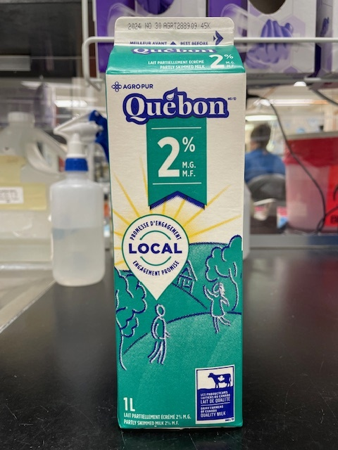
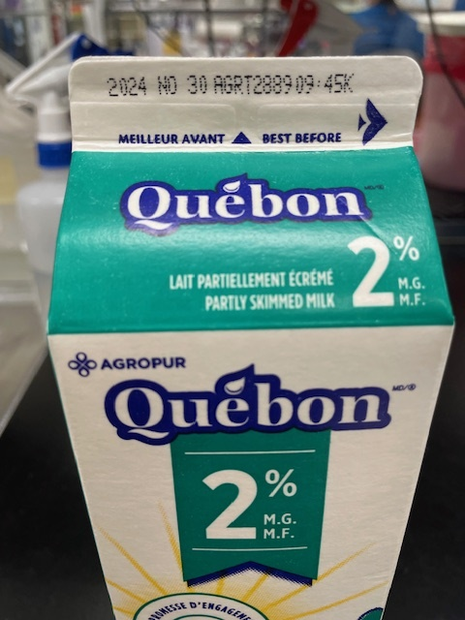

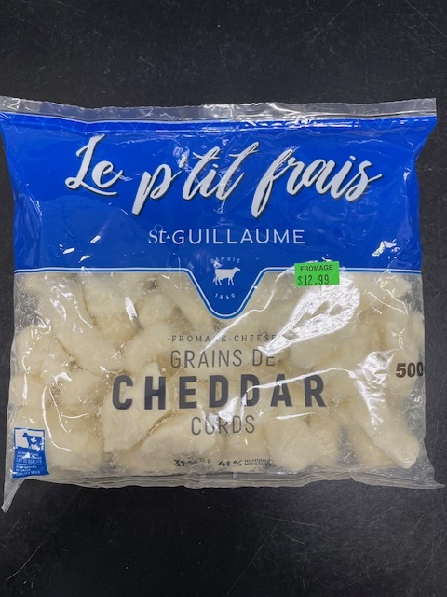
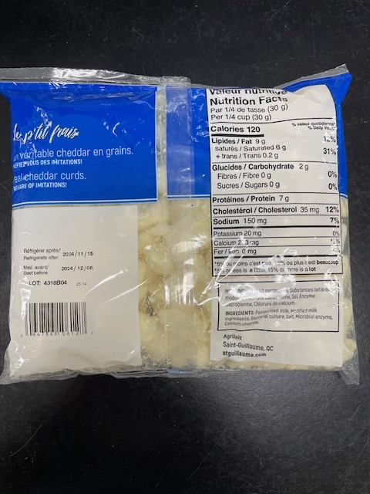

Tasting notes :
Probably poisonous
Tasting notes :
Delicious

Investigation Run #1
 | VT PCR investigations |  |  |  |  |  |  |  |  |  |  |  | CF PCR investigations

 |  | Raw data file : A |  |  |  | Raw data file : B |  | Raw data file : A |  |  |  |  |  | Raw data file : C
 | SGIL | Rainbow 10-4 sweeps |  | MAC-T 10-4 (1 colony) |  | MAC-T 10-1 sweeps |  | Sample 2024-03747, pool #1, colonies 1-10 |  |  |  |  | SGIL | Rainbow 10-4 sweeps |  | MAC-T 10-1 sweeps
 |  | FAM | HEX | FAM | HEX | FAM | HEX | Pool | Colony | FAM | HEX |  |  | FAM | HEX | FAM | HEX
 | 2024-03729 |  |  |  |  |  |  | 1 | 1 | No Ct | 29.8 |  | 2024-03729
 | 2024-03730 |  |  |  |  |  |  | 1 | 2 | No Ct | 29.7 |  | 2024-03730
 | 2024-03731 |  |  |  |  |  |  | 1 | 3 | No Ct | 29.7 |  | 2024-03731
 | 2024-03732 | No Ct | 30.4 |  |  | No Ct | 30.0 | 1 | 4 | No Ct | 29.5 |  | 2024-03732
 | 2024-03733 | No Ct | 30.4 |  |  | No Ct | 29.9 | 1 | 5 | No Ct | 29.7 |  | 2024-03733
 | 2024-03734 |  |  |  |  |  |  | 1 | 6 | No Ct | 29.7 |  | 2024-03734
 | 2024-03735 |  |  |  |  |  |  | 1 | 7 | No Ct | 29.7 |  | 2024-03735
 | 2024-03736 |  |  |  |  |  |  | 1 | 8 | No Ct | 29.9 |  | 2024-03736
 | 2024-03737 |  |  |  |  |  |  | 1 | 9 | No Ct | 29.7 |  | 2024-03737
 | 2024-03738 |  |  |  |  |  |  | 1 | 10 | No Ct | 29.7 |  | 2024-03738
 | 2024-03739 |  |  |  |  |  |  |  |  |  |  |  | 2024-03739
 | 2024-03740 |  |  |  |  |  |  |  |  |  |  |  | 2024-03740
 | 2024-03741 |  |  |  |  |  |  |  |  |  |  |  | 2024-03741
 | 2024-03742 |  |  |  |  |  |  |  |  |  |  |  | 2024-03742
 | 2024-03743 |  |  |  |  |  |  |  |  |  |  |  | 2024-03743
 | 2024-03744 | No Ct | 30.4 |  |  | No Ct | 30.0 |  |  |  |  |  | 2024-03744
 | 2024-03745 | No Ct | 30.3 |  |  | No Ct | 29.8 |  |  |  |  |  | 2024-03745
The MAC-T (-4) colony was tiny and found at the time of sweeping,
approximately 1 week after plating. The worksheet says that the plate
was negative at the time of pooling. Either the colony was present (very
tiny) at time of pooling and missed, or else it grew it the week after.
In any case, the PCR for that sample was negative, so the overall result
for that sample is false negative irrespective of the situation of that plate.
The same sample was found positive on two other plates during
investigation (Rainbow -4 and MAC-T -1).
 | 2024-03746 |  |  |  |  |  |  |  |  |  |  |  | 2024-03746
 | 2024-03747 | No Ct | 30.5 |  |  | No Ct | 30.1 |  |  |  |  |  | 2024-03747
 | 2024-03748 |  |  |  |  |  |  |  |  |  |  |  | 2024-03748
 | 2024-03749 | 28.3 | 30.2 | 32.5 | 29.7 | 31.7 | 29.9 |  |  |  |  |  | 2024-03749 | 27.1 | 30.9 | 28.7 | 30.4
 | 2024-03750 | No Ct | 30.2 |  |  | No Ct | 30.0 |  |  |  |  |  | 2024-03750
 | 2024-03751 | No Ct | 30.3 |  |  | No Ct | 29.9 |  |  |  |  |  | 2024-03751
 | 2024-03752 |  |  |  |  |  |  |  |  |  |  |  | 2024-03752
 | 2024-03753 | No Ct | 30.3 |  |  | No Ct | 29.7 |  |  |  |  |  | 2024-03753
 | Raw data file A : 20241128_163529_CT036336_VT et CF.pcrd (VT) |  |  |  |  |  |  |  |  |  |  |  | Raw data file C : 20241202_151916_CT036336_VT et CF.pcrd (CF)
 | Raw data file B : 20241129_114552_CT036336_VT et CF.pcrd (VT)

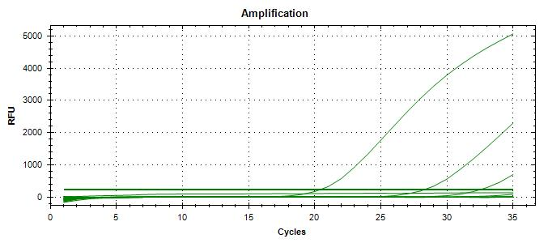
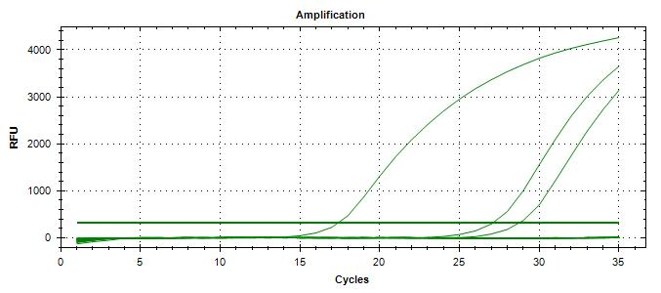
VT |  |  |  |  |  |  |  |  |  |  |  | CF

 | 20241128_163529_CT036336_VT et CF |  |  |  |  |  |  |  |  |  |  |  | 20241202_151916_CT036336_VT et CF.pcrd

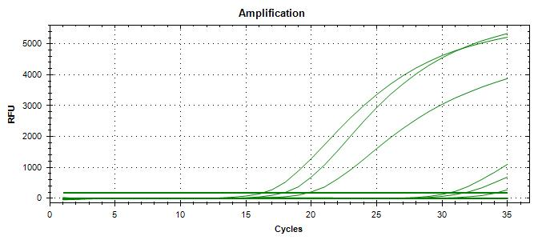
VT

 | 20241129_114552_CT036336_VT et CF (that plate also contains samples from Nuts and Nut Meats, low level)

Run #2
Status : | Approved
Category : | Dairy |  |  |  |  |  |  |  | Results summary |  |  |  |  |  |  |  |  |  |  |  |  |  | Broth screening qPCR results |  |  |  |  |  |  |  |  |  | Pool screening results |  |  |  |  |  |  |  |  |  |  |  |  | Colony screening result - VT |  |  |  |  |  |  |  |  |  |  |  |  |  |  |  |  |  |  |  |  |  | CF qPCR result |  |  |  |  | VITEK
Type : | Heat processed
Food items : | Québon homogenized milk, 2% M.F.; St-Guillaume Le P'tit Frais cheese curds
Incub. Time : |  |  |  |  |  |  |  |  |  |  |  |  |  |  |  |  |  |  |  |  |  |  |  |  |  |  |  |  |  |  |  |  |  |  |  |  |  |  |  |  |  |  |  |  |  | Run #1 |  |  |  |  |  |  |  |  |  |  |  | Run #2
 |  |  |  |  |  |  |  |  |  |  |  | vt qPCR |  |  |  |  |  |  | Confirmation of neg. Samples |  | Sample Status |  | SGIL | Instagene (1) |  | PureGene (2) |  |  |  |  |  |  | SGIL | Pool #1 |  | Pool #2 |  | Pool #3 |  | Pool #4 |  | Pool #5 |  | Pool #6 |  | SGIL | Pool | Colony 1 |  | Colony 2 |  | Colony 3 |  | Colony 4 |  | Colony 5 |  | Colony 6 |  | Colony 7 |  | Colony 8 |  | Colony 9 |  | Colony 10 |  | SGIL | Pool | Colony | CF qPCR |  | SGIL | Pool | Colony | Identification
Sample Details |  |  |  |  |  |  |  |  | SGIL | Matrix | Level | Broth - Insta | Broth - Pgene | Pools | Colonies | CF qPCR | VITEK | Method result | Rainb. plate sweep | MAC-T investig. | Broth screening | Isolation |  | FAM | HEX | FAM | HEX |  |  |  |  |  |  | FAM | HEX | FAM | HEX | FAM | HEX | FAM | HEX | FAM | HEX | FAM | HEX |  |  | FAM | HEX | FAM | HEX | FAM | HEX | FAM | HEX | FAM | HEX | FAM | HEX | FAM | HEX | FAM | HEX | FAM | HEX | FAM | HEX |  |  |  | FAM | HEX
Date of spiking |  |  |  | 2024-12-06 |  |  |  |  | 2024-04041 | 2% milk | Negative | - | - | n/a | n/a | n/a | n/a | Neg | n/a | n/a | TN | TN | 2024-04041 | No Ct | 30.2 | No Ct | 29.1 |  | Mean Ct - Unspiked |  |  |  | 2024-04041 | n/a | n/a | n/a | n/a | n/a | n/a | n/a | n/a | n/a | n/a | n/a | n/a | 2024-04041 | - |  |  |  |  |  |  |  |  |  |  |  |  |  |  |  |  |  |  |  |  | 2024-04041 |  |  |  |  | 2024-04041
Analysis start date |  |  |  | 2024-12-09 |  |  |  |  | 2024-04042 | 2% milk | Negative | - | - | n/a | n/a | n/a | n/a | Neg | n/a | n/a | TN | TN | 2024-04042 | No Ct | 30.1 | No Ct | 29.1 |  | Instagene |  | PureGene |  | 2024-04042 | n/a | n/a | n/a | n/a | n/a | n/a | n/a | n/a | n/a | n/a | n/a | n/a | 2024-04042 | - |  |  |  |  |  |  |  |  |  |  |  |  |  |  |  |  |  |  |  |  | 2024-04042 |  |  |  |  | 2024-04042
Sample Size |  |  |  | 25 g |  |  |  |  | 2024-04043 | 2% milk | Negative | - | - | n/a | n/a | n/a | n/a | Neg | n/a | n/a | TN | TN | 2024-04043 | No Ct | 30.2 | No Ct | 29.1 |  | FAM | HEX | FAM | HEX | 2024-04043 | n/a | n/a | n/a | n/a | n/a | n/a | n/a | n/a | n/a | n/a | n/a | n/a | 2024-04043 | - |  |  |  |  |  |  |  |  |  |  |  |  |  |  |  |  |  |  |  |  | 2024-04043 |  |  |  |  | 2024-04043
Homogenized milk, 2% |  |  |  | 6.0E+01 CFU/g |  |  |  |  | 2024-04044 | Cheese curds | Negative | - | - | - | n/a | n/a | n/a | Neg | - | n/a | TN | TN | 2024-04044 | No Ct | 29.3 | No Ct | 29.2 | 2% milk | n/a | 30.2 | n/a | 29.1 | 2024-04044 | No Ct | 29.92 | No Ct | 29.75 | No Ct | 29.68 | No Ct | 29.53 | No Ct | 29.71 | No Ct | 29.45 | 2024-04044 | - |  |  |  |  |  |  |  |  |  |  |  |  |  |  |  |  |  |  |  |  | 2024-04044 |  |  |  |  | 2024-04044
Cheese curds |  |  |  | 6.7E+06 CFU/g |  |  |  |  | 2024-04045 | Cheese curds | Negative | - | - | - | n/a | n/a | n/a | Neg | - | - | TN | TN | 2024-04045 | No Ct | 29.6 | No Ct | 29.0 | C. curds | n/a | 29.5 | n/a | 29.1 | 2024-04045 | No Ct | 29.95 | No Ct | 29.71 | No Ct | 29.78 | No Ct | 29.66 | No Ct | 29.74 | No Ct | 29.27 | 2024-04045 | - |  |  |  |  |  |  |  |  |  |  |  |  |  |  |  |  |  |  |  |  | 2024-04045 |  |  |  |  | 2024-04045
Method used to determine sample background microflora |  |  |  | MFHPB-18 : PCA, 35°C, 48h |  |  |  |  | 2024-04046 | 2% milk | 8.4 CFU/25 g | + | + | + | + | + | n/a | Positive | n/a | n/a | TP | TP | 2024-04046 | 18.9 | 30.5 | 15.5 | 33.1 |  |  |  |  |  | 2024-04046 | 19.1 | 30.3 | 26.2 | 29.7 |  |  |  |  |  |  |  |  | 2024-04046 | 2 | 16.2 | 33.7 | 16.6 | 33.0 | 16.3 | 32.8 |  |  |  |  |  |  |  |  |  |  |  |  |  |  | 2024-04046 | 2 | 1 | 15.1 | 32.2 | 2024-04046
 |  |  |  |  |  |  |  |  | 2024-04047 | 2% milk | 8.4 CFU/25 g | + | + | + | + | + | n/a | Positive | n/a | n/a | TP | TP | 2024-04047 | 18.7 | 30.2 | 15.4 | 33.8 |  |  |  |  |  | 2024-04047 | 19.4 | 30.1 | 26.0 | 29.6 |  |  |  |  |  |  |  |  | 2024-04047 | 2 | 15.7 | 33.7 | 16.1 | 33.6 | 16.4 | 32.7 |  |  |  |  |  |  |  |  |  |  |  |  |  |  | 2024-04047 | 2 | 1 | 14.7 | 32.4 | 2024-04047
Inoculum Details |  |  |  |  |  |  |  |  | 2024-04048 | 2% milk | 8.4 CFU/25 g | + | + | + | + | + | n/a | Positive | n/a | n/a | TP | TP | 2024-04048 | 18.8 | 30.2 | 15.9 | 32.4 |  |  |  |  |  | 2024-04048 | 22.3 | 30.1 | 17.4 | 31.2 |  |  |  |  |  |  |  |  | 2024-04048 | 1 | 16.5 | 32.6 | 16.4 | 33.2 | 16.0 | 33.7 |  |  |  |  |  |  |  |  |  |  |  |  |  |  | 2024-04048 | 1 | 1 | 15.9 | 30.7 | 2024-04048
Strain ID |  |  |  | BMH-13-0001, O157:H7, vtx1, stx2, eae |  |  |  |  | 2024-04049 | 2% milk | 8.4 CFU/25 g | + | + | + | + | + | n/a | Positive | n/a | n/a | TP | TP | 2024-04049 | 18.9 | 30.9 | 16.0 | 32.5 |  |  |  |  |  | 2024-04049 | 20.0 | 29.9 | 24.5 | 29.4 |  |  |  |  |  |  |  |  | 2024-04049 | 2 | 18.3 | 31.4 | 18.0 | 31.7 | 18.8 | 30.8 |  |  |  |  |  |  |  |  |  |  |  |  |  |  | 2024-04049 | 2 | 1 | 18.9 | 28.1 | 2024-04049
Strain source (time of isolation, source commodity, geographic region of origin) |  |  |  | Raw milk cheesse |  |  |  |  | 2024-04050 | 2% milk | 8.4 CFU/25 g | + | + | + | + | + | n/a | Positive | n/a | n/a | TP | TP | 2024-04050 | 18.8 | 30.3 | 15.8 | 32.9 |  |  |  |  |  | 2024-04050 | 21.9 | 29.5 | 24.4 | 29.5 |  |  |  |  |  |  |  |  | 2024-04050 | 2 | 17.3 | 32.1 | 20.4 | 30.8 | 19.8 | 30.4 |  |  |  |  |  |  |  |  |  |  |  |  |  |  | 2024-04050 | 2 | 1 | 17.4 | 30.1 | 2024-04050
Concentration of inoculum, volume used to spike: |  |  |  | Target = 10 CFU/100 µl; Actual = 8.4 CFU/100 µL |  |  |  |  | 2024-04051 | 2% milk | 8.4 CFU/25 g | + | + | + | + | + | n/a | Positive | n/a | n/a | TP | TP | 2024-04051 | 19.0 | 30.5 | 15.8 | 33.2 |  |  |  |  |  | 2024-04051 | 23.3 | 29.6 | 26.3 | 29.7 |  |  |  |  |  |  |  |  | 2024-04051 | 2 | 19.5 | 31.0 | 20.2 | 30.6 | 20.4 | 30.3 |  |  |  |  |  |  |  |  |  |  |  |  |  |  | 2024-04051 | 2 | 1 | 20.4 | 27.0 | 2024-04051
Method used to determine spiking concentration: |  |  |  | Plating onto TSA, 20 replicates, 35 °C, 18-24 h |  |  |  |  | 2024-04052 | 2% milk | 8.4 CFU/25 g | + | + | + | + | + | n/a | Positive | n/a | n/a | TP | TP | 2024-04052 | 18.7 | 30.2 | 15.5 | 33.7 |  |  |  |  |  | 2024-04052 | 21.8 | 29.6 | 27.7 | 29.4 |  |  |  |  |  |  |  |  | 2024-04052 | 2 | 19.4 | 30.6 | 19.9 | 30.4 | 20.7 | 30.0 |  |  |  |  |  |  |  |  |  |  |  |  |  |  | 2024-04052 | 2 | 1 | 20.9 | 27.1 | 2024-04052
Equilibration conditions: |  |  |  | 2-8 °C, 3 days |  |  |  |  | 2024-04053 | 2% milk | 8.4 CFU/25 g | + | + | + | + | + | n/a | Positive | n/a | n/a | TP | TP | 2024-04053 | 18.7 | 30.5 | 15.5 | 33.9 |  |  |  |  |  | 2024-04053 | 21.6 | 29.6 | 27.4 | 29.4 |  |  |  |  |  |  |  |  | 2024-04053 | 2 | 18.3 | 31.0 | 19.8 | 30.3 | 17.2 | 32.0 |  |  |  |  |  |  |  |  |  |  |  |  |  |  | 2024-04053 | 2 | 1 | 19.0 | 28.0 | 2024-04053
 |  |  |  |  |  |  |  |  | 2024-04054 | 2% milk | 8.4 CFU/25 g | + | + | + | + | + | n/a | Positive | n/a | n/a | TP | TP | 2024-04054 | 18.7 | 30.2 | 15.4 | 33.7 |  |  |  |  |  | 2024-04054 | 23.5 | 29.4 | 25.3 | 29.4 |  |  |  |  |  |  |  |  | 2024-04054 | 2 | 21.1 | 30.3 | 17.3 | 31.6 | 16.7 | 32.2 |  |  |  |  |  |  |  |  |  |  |  |  |  |  | 2024-04054 | 2 | 1 | 22.3 | 27.7 | 2024-04054
Was the inoculum stressed? |  |  |  |  |  | No |  |  | 2024-04055 | 2% milk | 8.4 CFU/25 g | + | + | + | + | + | n/a | Positive | n/a | n/a | TP | TP | 2024-04055 | 18.6 | 30.3 | 15.4 | 33.6 |  |  |  |  |  | 2024-04055 | 19.0 | 30.4 | 23.3 | 29.9 |  |  |  |  |  |  |  |  | 2024-04055 | 2 | 19.7 | 30.5 | 22.3 | 29.8 | 22.3 | 29.8 |  |  |  |  |  |  |  |  |  |  |  |  |  |  | 2024-04055 | 2 | 1 | 20.5 | 27.0 | 2024-04055
Stressing Conditions: |  |  |  | n/a |  |  |  |  | 2024-04056 | Cheese curds | 8.4 CFU/25 g | + | + | + | + | + | n/a | Positive | n/a | n/a | TP | TP | 2024-04056 | 22.2 | 29.3 | 20.5 | 29.4 |  |  |  |  |  | 2024-04056 | 26.2 | 29.4 | 25.4 | 29.3 |  |  |  |  |  |  |  |  | 2024-04056 | 2 | 17.6 | 31.4 | 17.0 | 31.7 | 19.7 | 30.7 |  |  |  |  |  |  |  |  |  |  |  |  |  |  | 2024-04056 | 2 | 1 | 17.9 | 28.9 | 2024-04056
Stress level: |  |  |  | n/a |  |  |  |  | 2024-04057 | Cheese curds | 8.4 CFU/25 g | + | + | + | + | + | n/a | Positive | n/a | n/a | TP | TP | 2024-04057 | 28.3 | 29.3 | 25.4 | 28.9 |  |  |  |  |  | 2024-04057 | No Ct | 29.5 | 20.8 | 29.6 |  |  |  |  |  |  |  |  | 2024-04057 | 2 | No Ct | 29.8 | No Ct | 29.7 | No Ct | 29.7 | No Ct | 30.51 | No Ct | 30.29 | No Ct | 30.20 | 33.98 | 30.14 | No Ct | 30.23 | No Ct | 30.26 | 19.89 | 31.32 | 2024-04057 | 2 | 10 | 18.9 | 28.3 | 2024-04057
How was the stress level determined? (Please include counts and agar choices) |  |  |  | n/a |  |  |  |  | 2024-04058 | Cheese curds | 8.4 CFU/25 g | + | + | + | + | + | n/a | Positive | n/a | n/a | TP | TP | 2024-04058 | 26.1 | 29.0 | 24.5 | 28.9 |  |  |  |  |  | 2024-04058 | 22.4 | 29.4 | 23.6 | 29.3 |  |  |  |  |  |  |  |  | 2024-04058 | 2 | No Ct | 29.5 | 16.0 | 33.9 | No Ct | 29.9 |  |  |  |  |  |  |  |  |  |  |  |  |  |  | 2024-04058 | 2 | 2 | 14.5 | 33.0 | 2024-04058
 |  |  |  |  |  |  |  |  | 2024-04059 | Cheese curds | 8.4 CFU/25 g | + | + | + | + | + | n/a | Positive | n/a | n/a | TP | TP | 2024-04059 | 29.0 | 29.5 | 27.4 | 28.9 |  |  |  |  |  | 2024-04059 | No Ct | 29.5 | No Ct | 29.5 | 24.0 | 29.43 | No Ct | 29.76 | No Ct | 29.55 | 24.5 | 29.76 | 2024-04059 | 3 | 19.79 | 31.84 | 19.04 | 31.85 | 17.51 | 32.83 | 19.07 | 31.94 | 18.59 | 32.06 | No Ct | 30.10 | No Ct | 30.14 | No Ct | 30.27 | No Ct | 30.56 | No Ct | 30.56 | 2024-04059 | 3 | 1 | 18.4 | 27.8 | 2024-04059
Was a Co-Inoculum Used? |  |  |  |  |  | No |  |  | 2024-04060 | Cheese curds | 8.4 CFU/25 g | + | + | + | + | + | n/a | Positive | n/a | n/a | TP | TP | 2024-04060 | 23.4 | 29.1 | 21.4 | 29.4 |  |  |  |  |  | 2024-04060 | 21.7 | 29.8 | 19.4 | 30.4 |  |  |  |  |  |  |  |  | 2024-04060 | 2 | 16.5 | 33.1 | 16.6 | 32.7 | No Ct | 29.8 |  |  |  |  |  |  |  |  |  |  |  |  |  |  | 2024-04060 | 2 | 1 | 15.4 | 30.2 | 2024-04060
Strain ID of co-inoculum: |  |  |  | n/a |  |  |  |  | 2024-04061 | Cheese curds | 8.4 CFU/25 g | + | + | + | + | + | n/a | Positive | n/a | n/a | TP | TP | 2024-04061 | 26.4 | 29.1 | 24.3 | 28.8 |  | Mean Ct - High level |  |  |  | 2024-04061 | 21.9 | 29.7 | 25.2 | 29.3 |  |  |  |  |  |  |  |  | 2024-04061 | 2 | 16.1 | 32.9 | No Ct | 29.7 | No Ct | 29.6 |  |  |  |  |  |  |  |  |  |  |  |  |  |  | 2024-04061 | 2 | 1 | 15.2 | 31.4 | 2024-04061
Strain source |  |  |  | n/a |  |  |  |  | 2024-04062 | Cheese curds | 8.4 CFU/25 g | + | + | + | + | + | n/a | Positive | n/a | n/a | TP | TP | 2024-04062 | 23.9 | 29.0 | 22.0 | 29.0 |  | Instagene |  | PureGene |  | 2024-04062 | 20.7 | 29.6 | 21.4 | 29.7 |  |  |  |  |  |  |  |  | 2024-04062 | 2 | 16.1 | 32.5 | No Ct | 29.7 | 16.3 | 33.0 |  |  |  |  |  |  |  |  |  |  |  |  |  |  | 2024-04062 | 2 | 1 | 15.6 | 31.3 | 2024-04062
Where all spiked samples co-inoculated? |  |  |  | n/a |  |  |  |  | 2024-04063 | Cheese curds | 8.4 CFU/25 g | + | + | + | + | + | n/a | Positive | n/a | n/a | TP | TP | 2024-04063 | 23.5 | 29.2 | 21.9 | 29.0 |  | FAM | HEX | FAM | HEX | 2024-04063 | 22.4 | 29.4 | 22.3 | 29.6 |  |  |  |  |  |  |  |  | 2024-04063 | 2 | No Ct | 29.9 | 16.2 | 32.5 | No Ct | 29.7 |  |  |  |  |  |  |  |  |  |  |  |  |  |  | 2024-04063 | 2 | 2 | 15.3 | 31.3 | 2024-04063
Concentration of inoculum, volume used to spike: |  |  |  | n/a |  |  |  |  | 2024-04064 | Cheese curds | 8.4 CFU/25 g | + | + | + | + | + | n/a | Positive | n/a | n/a | TP | TP | 2024-04064 | 24.0 | 29.1 | 21.2 | 29.5 | 2% milk | 18.8 | 30.4 | 15.6 | 33.3 | 2024-04064 | 24.7 | 29.6 | 21.6 | 29.9 |  |  |  |  |  |  |  |  | 2024-04064 | 2 | 15.6 | 33.0 | No Ct | 29.4 | No Ct | 29.6 |  |  |  |  |  |  |  |  |  |  |  |  |  |  | 2024-04064 | 2 | 1 | 14.2 | 32.8 | 2024-04064
Stressing conditions (if applicable): |  |  |  | n/a |  |  |  |  | 2024-04065 | Cheese curds | 8.4 CFU/25 g | + | + | + | + | + | n/a | Positive | n/a | n/a | TP | TP | 2024-04065 | 26.1 | 29.1 | 24.4 | 28.8 | C. curds | 25.3 | 29.2 | 23.3 | 29.1 | 2024-04065 | 21.4 | 29.9 | 20.5 | 30.0 |  |  |  |  |  |  |  |  | 2024-04065 | 1 | 15.7 | 33.5 | 16.2 | 33.1 | 16.1 | 33.0 |  |  |  |  |  |  |  |  |  |  |  |  |  |  | 2024-04065 | 1 | 1 | 14.6 | 33.0 | 2024-04065
Stress level (if applicable): |  |  |  | n/a |  |  |  |  |  |  |  |  |  |  |  |  |  |  |  |  |  |  | CP | 24.9 | 29.0 | 23.7 | 28.7 |  |  |  |  |  | CP | 19.0 | 29.8 | 17.1 | 29.8 |  |  |  |  |  |  |  |  | CP | - | 22.6 | 29.4 |  |  |  |  |  |  |  |  |  |  |  |  |  |  |  |  |  |  | CP | - | - | 26.0 | 28.1
How was the stress level determined? (Please include counts and agar choices) (if applicable) |  |  |  | n/a |  |  |  |  |  |  |  |  |  |  |  |  |  |  |  |  |  |  | CN | No Ct | 29.3 | No Ct | 29.0 |  |  |  |  |  | CN | No Ct | 29.7 | No Ct | 29.6 |  |  |  |  |  |  |  |  | CN | - | No Ct | 29.6 |  |  |  |  |  |  |  |  |  |  |  |  |  |  |  |  |  |  | CN | - | - | No Ct | 28.4
The curves are very nice
but much delayed, possibly
due to early Ct value in FAM
 |  |  |  |  |  |  |  |  |  |  |  |  |  |  |  |  |  |  |  |  |  |  | CS | No Ct | 29.2 | No Ct | 29.2 |  |  |  |  |  | NTC | No Ct | 29.7 | No Ct | 30.1 |  |  |  |  |  |  |  |  | NTC | - | No Ct | 29.5 |  |  |  |  |  |  |  |  |  |  |  |  |  |  |  |  |  |  | NTC | - | - | No Ct | 28.5
PREPARATION OF INOCULUM |  |  |  |  |  |  |  |  |  |  |  |  |  |  |  |  |  |  |  |  |  |  | Blank | No Ct | 29.3 | No Ct | 29.1 |  |  |  |  |  | Raw data : 20241211_134953_CT036336_VT et CF.pcrd |  |  |  |  |  |  |  |  |  |  |  |  | Raw data : 20241212_100932_CT036336_VT et CF.pcrd |  |  |  |  |  |  |  |  |  |  |  | Raw data : 20241213_150225_CT036336_VT et CF.pcrd |  |  |  |  |  |  |  |  |  | Raw data : 20241217_093401_CT036336_VT et CF.pcrd
VTEC E. coli BMH-13-0001 |  |  |  |  |  |  |  |  |  |  |  |  |  |  |  |  |  |  |  |  |  |  | Raw data : 20241210_131907_CT036336_VT et CF.pcrd |  |  |  |  |  |  |  |  |  | Raw data : 20241212_100932_CT036336_VT et CF.pcrd (2024-04059, pools 3-6) |  |  |  |  |  |  |  |  |  |  |  |  | Raw data : 20241213_150225_CT036336_VT et CF.pcrd (04057, colonies 4-5; 0459 colonies 1-5)
Plating (TSA) : | 2024-12-05 |  |  |  |  |  |  |  | Screening | TP | TN | FP | FN |  | Sensitivity | 100%
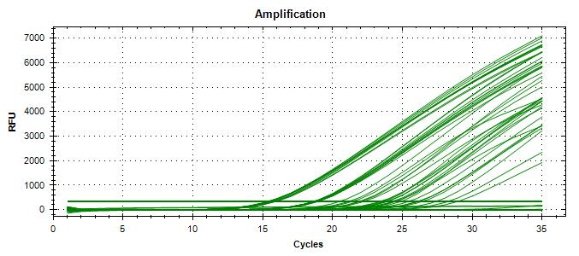
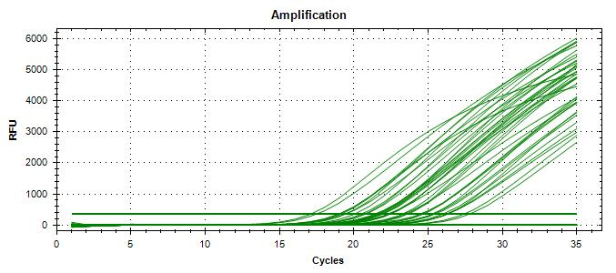
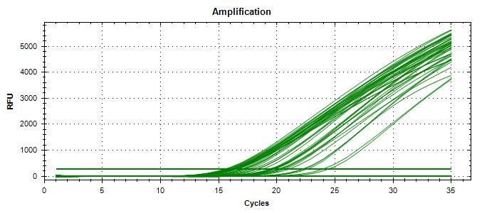
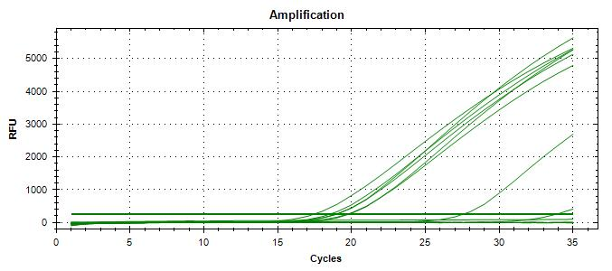
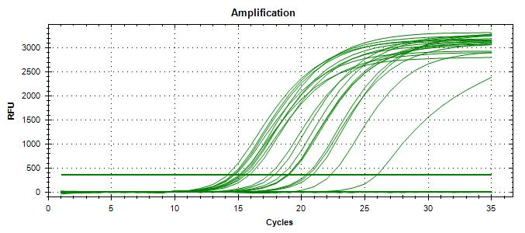
Reading : | 2024-12-06 |  |  |  |  |  |  |  | Unspiked | 0 | 5 | 0 | 0 |  | Specificity | 100%
Volume / plate : | 100 µL |  |  |  |  |  |  |  | Spiked | 20 | 0 | 0 | 0 |  | FN rate | 0%
 |  |  |  |  |  |  |  |  |  | 20 | 5 | 0 | 0 |  | FP rate | 0%
Dilution | Rep 1 | Rep 2 | Rep 3 | Rep 4 | CFU/mL |  |  |  |  |  |  |  |  |  | Agreement | 100%
1.0E-04 | > 300 | > 300 | > 300 | > 300 | 78000
1.0E-05 | 336 | 295 | 316 | 310 | 7800
1.0E-06 | 72 | 77 | 80 | 83 | 780 | >> 1.3 mL + 8.7 mL H2Op |  |  | Isolation | TP | TN | FP | FN |  | Sensitivity | 100%
Dilution in bold used for calculations |  |  |  |  |  |  |  |  | Unspiked | 0 | 5 | 0 | 0 |  | Specificity | 100%
 |  |  |  |  |  |  |  |  | Spiked | 20 | 0 | 0 | 0 |  | FN rate | 0%
 |  |  |  |  |  |  |  |  |  | 20 | 5 | 0 | 0 |  | FP rate | 0%
 |  |  |  |  |  |  |  |  |  |  |  |  |  |  | Agreement | 100%

VERIFICATION OF FINAL INOCULUM |  |  |  |  |  |  |  |  |  |  |  |  |  |  |  |  |  |  |  |  |  |  | 20241210_131907_CT036336_VT et CF.pcrd |  |  |  |  |  |  |  |  |  | 20241211_134953_CT036336_VT et CF.pcrd |  |  |  |  |  |  |  |  |  |  |  |  | 20241212_100932_CT036336_VT et CF.pcrd |  |  |  |  |  |  |  |  |  |  |  | 20241213_150225_CT036336_VT et CF.pcrd |  |  |  |  |  |  |  |  |  | 20241217_093401_CT036336_VT et CF.pcrd
 |  |  | CFU/plate
Plating (TSA) : | 2024-12-06 |  | 6 | 6 | 6 | 13 | Mean : | 8.4 | << Actual spiking level (target)
Reading : | 2024-12-07 |  | 15 | 13 | 5 | 12 | POS : | 20 | << 100%
Volume / plate : | 100 µL |  | 6 | 8 | 9 | 8 | NEG : | 0 | << 0%
 |  |  | 4 | 8 | 7 | 8
 |  |  | 8 | 12 | 8 | 5

BACKGROUND MICROFLORA (MFHPB-18)
2% Milk
Plating (PCA) : | 2024-12-09
Reading : | 2024-12-11
Volume / plate : | 1 mL

Dilution | Rep 1 | Rep 2 | CFU/g
1.0E-01 | 11 | 1 | 6.0E+01
1.0E-02 | 0 | 0
1.0E-03 | 0 | 0
1.0E-04 | 0 | 0
1.0E-05 | 0 | 0
1.0E-06 | 0 | 0
1.0E-07 | 0 | 0
Dilution in bold used for calculations

Cheese curds
Plating (PCA) : | 2024-12-09
Reading : | 2024-12-11
Volume / plate : | 1 mL

Dilution | Rep 1 | Rep 2 | CFU/g
1.0E-01 | TNTC | TNTC
1.0E-02 | TNTC | TNTC
1.0E-03 | TNTC | TNTC
1.0E-04 | TNTC | TNTC
1.0E-05 | 64 | 70 | 6.7E+06
1.0E-06 | 7 | 4
1.0E-07 | 0 | 0
Dilution in bold used for calculations

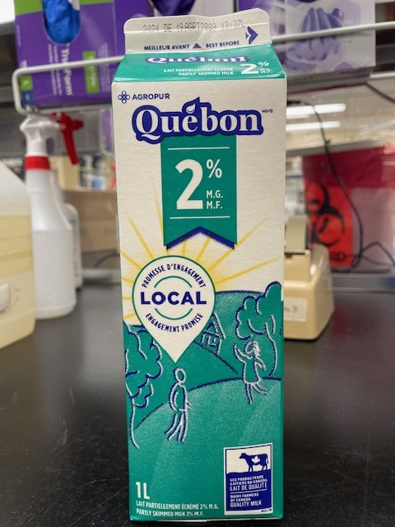
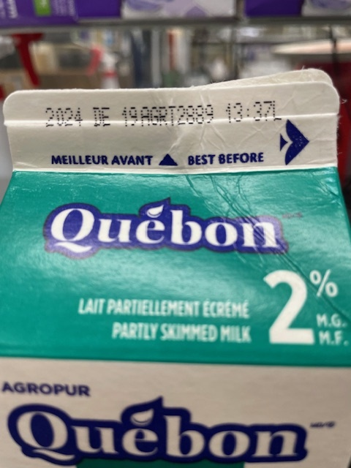

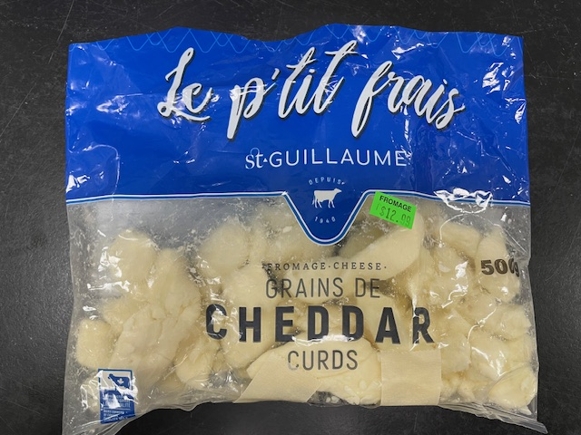
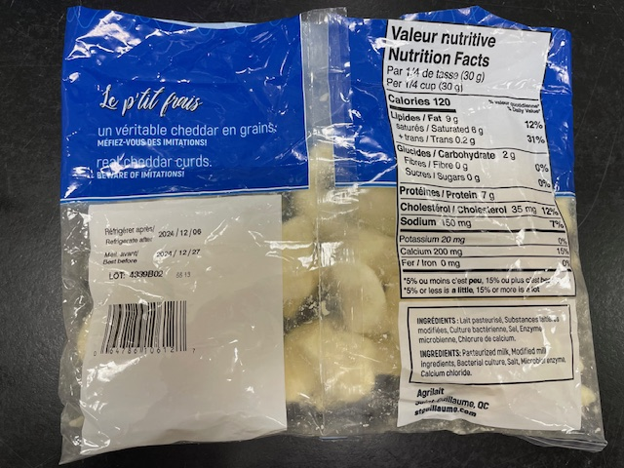

Tasting notes :
Probably poisonous
Tasting notes :
Delicious

Investigation Run #2
SGIL | Rainbow 10-4 sweeps |  | MAC-T 10-4 (1 colony)
 | FAM | HEX | FAM | HEX
2024-04041 | n/a | n/a | n/a | n/a
2024-04042 | n/a | n/a | n/a | n/a
2024-04043 | n/a | n/a | n/a | n/a
2024-04044 | No Ct | 32.6 | n/a | n/a
2024-04045 | No Ct | 32.4 | No Ct | 32.1
2024-04046 | n/a | n/a | n/a | n/a
2024-04047 | n/a | n/a | n/a | n/a
2024-04048 | n/a | n/a | n/a | n/a
2024-04049 | n/a | n/a | n/a | n/a
2024-04050 | n/a | n/a | n/a | n/a
2024-04051 | n/a | n/a | n/a | n/a
2024-04052 | n/a | n/a | n/a | n/a
2024-04053 | n/a | n/a | n/a | n/a
2024-04054 | n/a | n/a | n/a | n/a
2024-04055 | n/a | n/a | n/a | n/a
2024-04056 | n/a | n/a | n/a | n/a
2024-04057 | n/a | n/a | n/a | n/a
2024-04058 | n/a | n/a | n/a | n/a
2024-04059 | n/a | n/a | n/a | n/a
2024-04060 | n/a | n/a | n/a | n/a
2024-04061 | n/a | n/a | n/a | n/a
2024-04062 | n/a | n/a | n/a | n/a
2024-04063 | n/a | n/a | n/a | n/a
2024-04064 | n/a | n/a | n/a | n/a
2024-04065 | n/a | n/a | n/a | n/a
CP | 25.71 | 31.5
CN | No Ct | 31.4
NTC | No Ct | 32.1
Raw data : 20241217_110448_CT036336_VT et CF.pcrd



20241217_110448_CT036336_VT et CF.pcrd

